1. Title Page
[ Acheivement 4: Instacart Grocery Basket Analysis]

Project Name: Acheivement: Instacart Grocery Basket Analysis
Date: June 25, 2023
Analyst Name: Victoria Allen

Contents:
Population Flow
Consistency checks
Wrangling steps
Column derivations
Visualizations
Recommendations

Project Details:
Objective:
Your task is to perform an initial data and exploratory analysis of some of their data in order to derive insights and suggest strategies for better segmentation based on the provided criteria.

Context:
Instacart has very good sales, but they want to uncover more information about their sales patterns.
The Instacart stakeholders are most interested in the variety of customers in their database along with their purchasing behaviors.
They assume they can't target everyone using the same methods, and they’re considering a targeted marketing strategy.
They want to target different customers with applicable marketing campaigns to see whether they have an effect on the sale of their products

Key Questions:
The sales team needs to know what the busiest days of the week and hours of the day are (i.e., the days and times with the most orders) in order to schedule ads at times when there are fewer orders
They also want to know whether there are particular times of the day when people spend the most money, as this might inform the type of products they advertise at these times.
Instacart has a lot of products with different price tags. Marketing and sales want to use simpler price range groupings to help direct their efforts.
Are there certain types of products that are more popular than others? The marketing and sales teams want to know which departments have the highest frequency of product orders.
The marketing and sales teams are particularly interested in the different types of customers in their system and how their ordering behaviors differ. For example:
 | What’s the distribution among users in regards to their brand loyalty (i.e., how often do they return to Instacart)?
 | Are there differences in ordering habits based on a customer’s loyalty status?
 | Are there differences in ordering habits based on a customer’s region?
 | Is there a connection between age and family status in terms of ordering habits?
 | What different classifications does the demographic information suggest? Age? Income? Certain types of goods? Family status?
 | What differences can you find in ordering habits of different customer profiles?

Sources:
“The Instacart Online Grocery Shopping Dataset 2017”, Accessed from https://www.instacart.com/datasets/grocery-shopping-2017 on 06/25/2023

2. Population Flow
Title page

Population flow

Exclusion flag
Condition: max_order < $100
Obervations to be removed: 5,127
Final total count of order_products_all: 32,404,859

Orders_products_combined
Orders_products_merged
Orders_products_all

Total: 32,434,489
Total: 32,404,859
Total: 32,404,859

1.) The grey boxes in the first row of the population flow represent the original data sets as they were when you downloaded them. In the Total fields you need to add the count of the rows when you imported the data set into Jupyter.
2.) The second row of boxes (coloured) represents the data sets after you manipulated them, e.g., removed missing values and duplicates. In the Total fields you need to add the count of the rows after conducting these operations. This offers a visual oveview of how the data flows throughout the data consistency checks.
3.) The third row, where also the arrows are coloured, represents the merges you performed between the datasets. In the Total fields you need to add the count of the rows in the merged datasets, so that you end up with the final dataset (in the red box). Keep in mind the final dataset should be without exclusions (based on the exclusion flag).

3. Consistency checks
 |  |  |  | Title page
Consistency checks

Dataset | Missing values | Missing values treatment | Duplicates
orders | 206209 | None, they represented a customers first order and were not an issue | 0
products | 16 | removed missing values | 5
orders_products_prior | 0 |  | 0
customers | 11259 | Missing first names, no action taken as only 5.46% of data was missing and didn't affect analyses | 0

4. Wrangling steps
 |  |  |  | Title page
Wrangling steps

Columns dropped | Columns renamed | Columns' type changed | Comment/Reason
 |  | order_id | changed integer to string for identification purposes
 |  | user_id | changed integer to string for identification purposes
eval_set |  |  | No relevant data
first_name |  |  | Security issue due to PII
last_name |  |  | Security issue due to PII
 | First Name |  | changed to 'first_name' to match name format of other variables
 | Surnam |  | changed to 'last_name' to match name format of other variables
 | Age |  | changed to 'age' to match name format of other variables
 | Gender |  | changed to 'gender' to match name format of other variables
 | STATE |  | changed to 'state' to match name format of other variables
 | orders_dow |  | changed to 'orders_day_of_the_week' to match name for clarification
 |  | first_name | changed to string. Contained missing values.

5. Column derivations
 |  |  |  |  | Title page

Column derivations and aggregations

Dataset | New column | Column/s it was derived from | Conditions | Results
orders_products_merged | "price_range_loc" | "prices" | prices <= 5: "Low-range product" | 417678
 |  |  | 5 < prices <= 15: "Mid-range product" | 21860860
 |  |  | prices > 15: "High-range product" | 10126321
orders_products_merged | "busiest_day" | "orders_day_of_the_week" | if day 0 (Sat.), "Busiest day" | 6,204,182
 |  |  | if day 4 (Wed.), "Least busy" | 3,783,802
 |  |  | else: "Regularly busy" | 22,416,875
orders_products_merged | "busiest_days" | "orders_day_of_the_week" | if day 0 or 1 (Sat. or Sun.), "Busiest days" | 11864412
 |  |  | if day 3 or 4 (Wed. or Thurs.), "Least busy days" | 7624336
 |  |  | else: "Regularly busy days" | 1291611
orders_products_merged | "busiest period of day" | "order_hour_of_day" | 10am-3pm: "Most orders" | 16128666
 |  |  | 12am-5am: "Fewest orders" | 596328
 |  |  | else: "Average orders" | 15679865
orders_products_merged | "loyalty_flag" | "max_order" | max_order > 40: "Loyal customer" | 10284093
 |  |  | 10 < max_order <= 40: "Regular customer" | 15876776
 |  |  | max_order <= 10: "New customer" | 6243990
orders_products_merged | "spending_flag" | "mean_price" | avg_price_order < 10: "Low spender" | 31770614
 |  |  | avg_price_order >= 10: "High spender" | 634245
orders_products_merged | "order_frequency_flag" | "median_order_days" | median > 20: "Non-frequent customer" | 3636437
 |  |  | 10 < median <= 20: "Regular customer" | 7208564
 |  |  | median <= 10: "Frequent customer" | 21559853
ic_data | "region" | "state" | "midwest" | 7597325
 |  |  | "northeast" | 5722736
 |  |  | "south" | 10791885
 |  |  | "west" | 8292913
ic_data | "customer_activity" | "max_order" | max_order < 5: "Low-activity customer" | 1440295
 |  |  | max_order >= 5: "High-activity customer" | 30964564
ic_data | "age_flag" | "age" | age <= 30: "Young adult" | 6599359
 |  |  | 30 < age < 65: "Middle-aged" | 17230416
 |  |  | age >= 65: "Senior" | 8575084
ic_data | "income_flag" | "income" | income <= 50000: "Normal-income" | 3597871
 |  |  | 50000 < income <= 100000: "Middle-income" | 13996574
 |  |  | > 100000: "High-income" | 14814202
ic_data | "family_flag | "n_dependants" | < 1 dependant: "Single" | 8097503
 |  |  | > 1 dependant: "Family" | 24307356

6. Visualizations
 |  |  |  | Title page

Visualisations

The sales team needs to know what the busiest days of the week and hours of the day are (i.e., the days and times with the most orders) in order to schedule ads at times when there are fewer orders

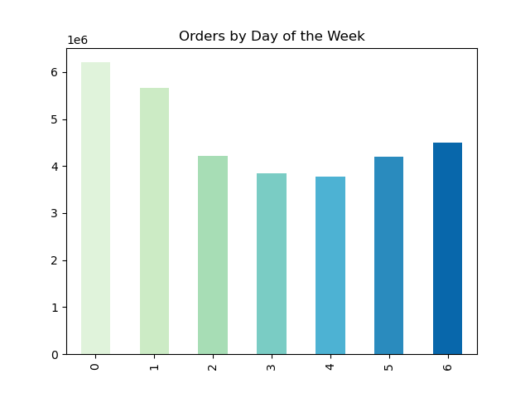


 | Key |  |  |  | Key
 | X-Axis- | 0 | Saturday |  | X-Axis | Hour of the day
 |  | 1 | Sunday |  | Y-Axis | Number of orders
 |  | 2 | Monday
 |  | 3 | Tuesday
 |  | 4 | Wednesday
 |  | 5 | Thursday
 |  | 6 | Friday
 | Y-Axis | Orders in millions

Saturday and Sunday are the busiest days of the week with the peak number of orders. The busiest hours of the day is 9am. The busy period ranges from 9am to 3pm.

They also want to know whether there are particular times of the day when people spend the most money, as this might inform the type of products they advertise at these times.

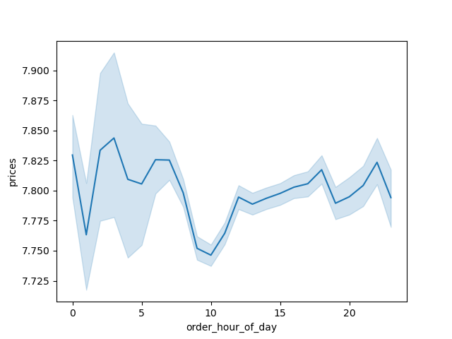

People appear to spend the most money between 2am - 3am and 10pm.

Instacart has a lot of products with different price tags. Marketing and sales want to use simpler price range groupings to help direct their efforts.

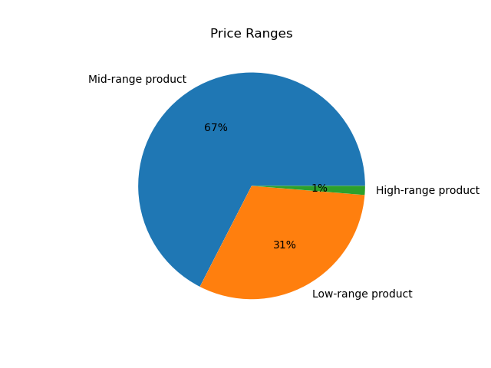

67% of products will be 'Mid-range products' meaning they fall within a price range greater than 5 and less than or equal to 15.
31% of products will be 'Low-range products' meaning they fall within a price range of less than or equal to 5.
1% of products will be 'High-range products' meaning they fall within a price range greater than 15.

Are there certain types of products that are more popular than others? The marketing and sales teams want to know which departments have the highest frequency of product orders.

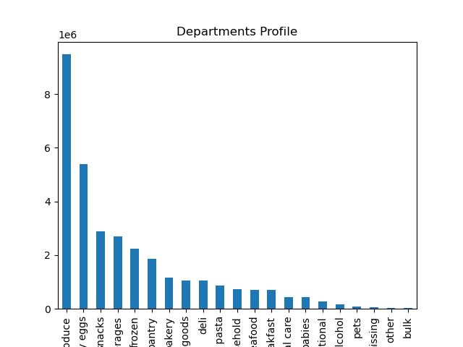

Produce, dairy/eggs, snacks, beverages, and frozen are the five departments with the highest frequency of orders. Produce is signifcantly higher than the others with over 2 milion more orders than dairy/eggs.

The marketing and sales teams are particularly interested in the different types of customers in their system and how their ordering behaviors differ. For example:

What’s the distribution among users in regards to their brand loyalty (i.e., how often do they return to Instacart)?

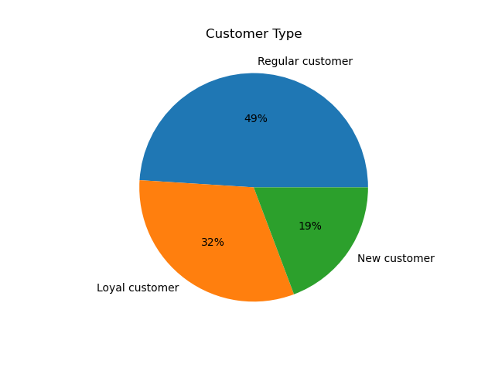

The largest group of customers are 'Regular customers' those who have made over 10 orders, but less than or equal to 40 orders.
Loyal customers make up 32% of the customer base. They are customers who have made over 40 orders since joining Instacart.
New customers are the smallest proportion of customers making up 19% of Instacart customers. They are customers who have made less than 10 orders since joining Instacart.

Are there differences in ordering habits based on a customer’s loyalty status?
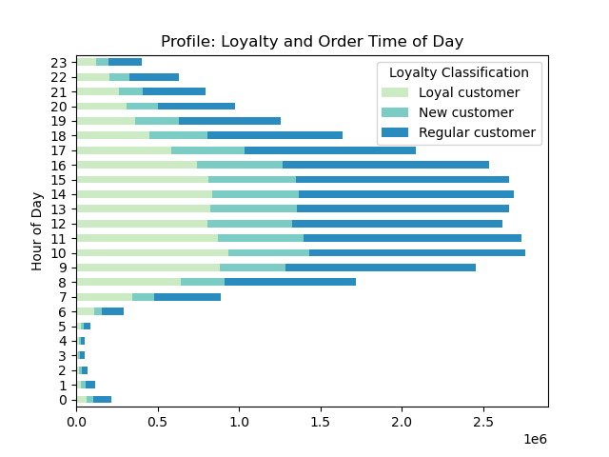
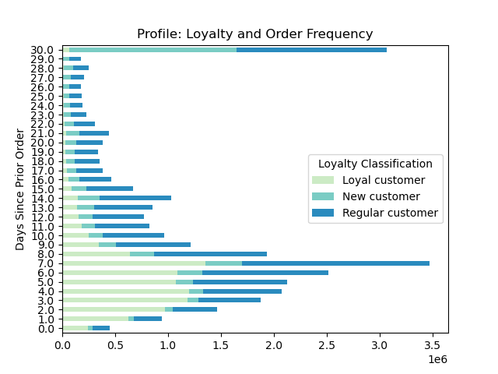
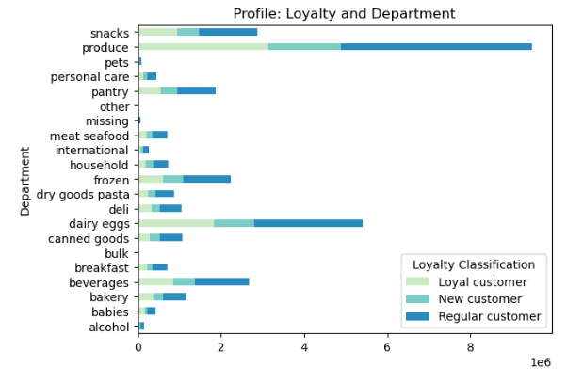

Loyal customers have the fastest rate of creating a new order.
New customers have the slowest rate of creating a new order.
Regular customers have the most variability when it comes to creating a new order.
All customers, despite loyalty classification, have peak orders at the same time of day.
Regular customers order the most produce, dairy/eggs, and snacks. They tend to lead every department in purchases. This is to be expected though because they make up the largest proportion of customers.

Are there differences in ordering habits based on a customer’s region?

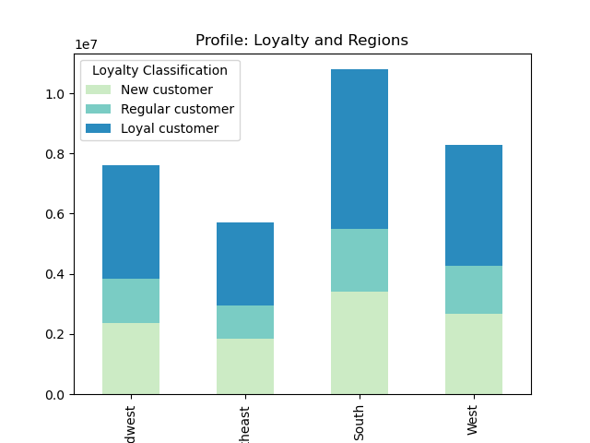
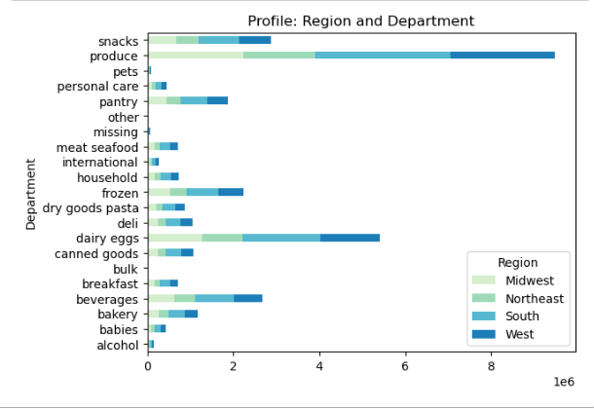
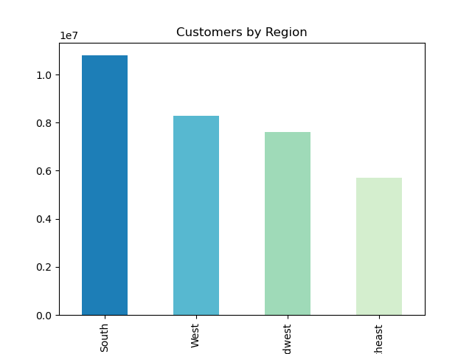

The South has the largest number of Instacart users and spend the most in almost every department.
The Northeast has the lowest proportion of regular customers.
The West and Midwest have a relatively similar distribution of customer types.
All regions appear to spend equally across departments.

Is there a connection between age and family status in terms of ordering habits?

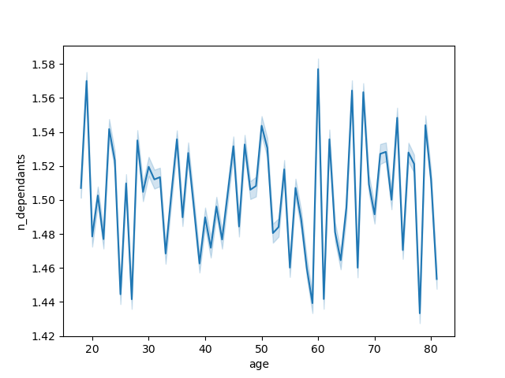
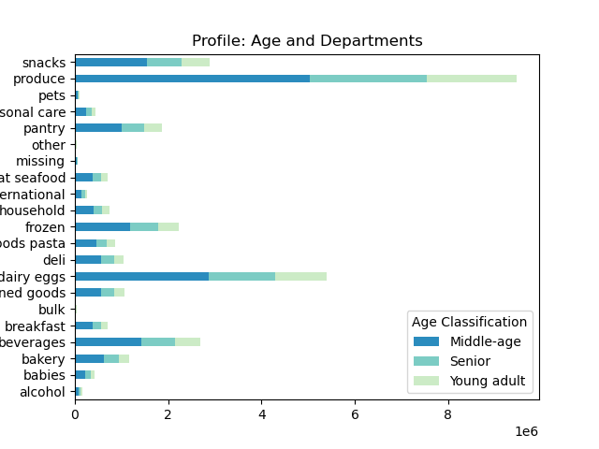
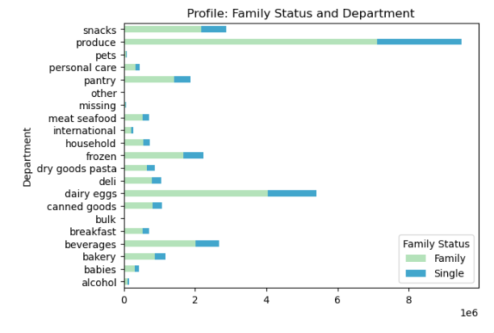
Age compared to dependants

There does not appear to be any connection between age and family status in terms of ordering habbits.
There is also no clear age category that I can say definitivel has dependants or does not have depandants.
There is too much variance in the data to draw an accurate conclusion here.

What different classifications does the demographic information suggest? Age? Income? Certain types of goods? Family status?

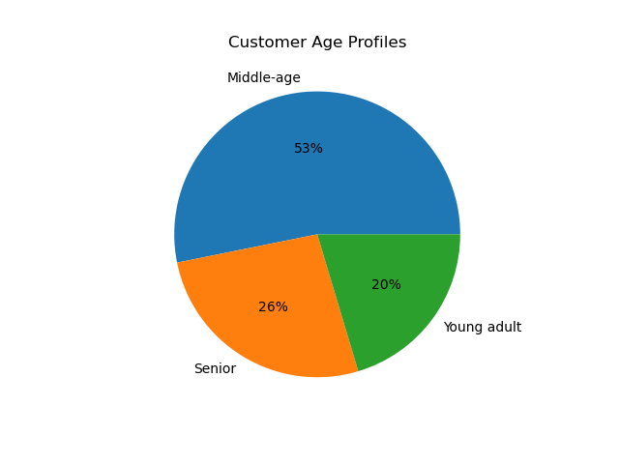
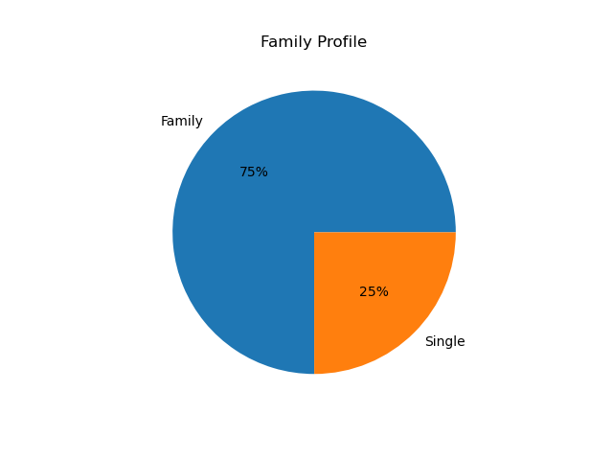
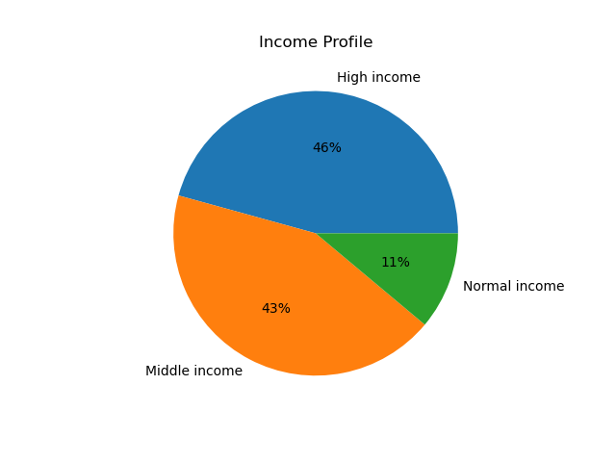

According to the age profile, 53% of Instacart users are middle-aged, between 30 years old and those under the age of 65.
75% of Instacart users are part of a family, or have some form of depandants.
46% of Instacart users are considered high income, meaning they make over $100,000. However, those who make between $50-100k, middle income, make up 43% of Instacart users.
The three most popular departments are produce, dairy/eggs, and snacks. The five least popular departments are bulk, other, missing, pets, and alcohol.

What differences can you find in ordering habits of different customer profiles? Consider the price of orders, the frequency of orders, the products customers are ordering, and anything else you can think of.

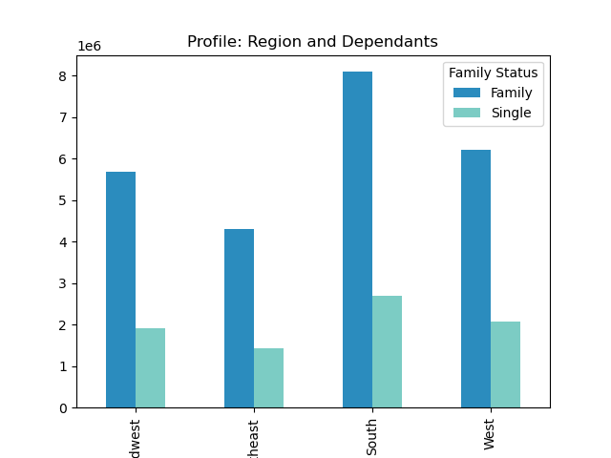
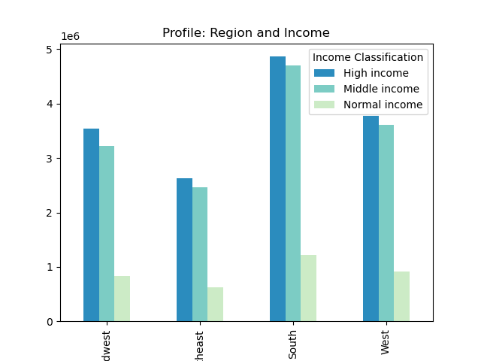
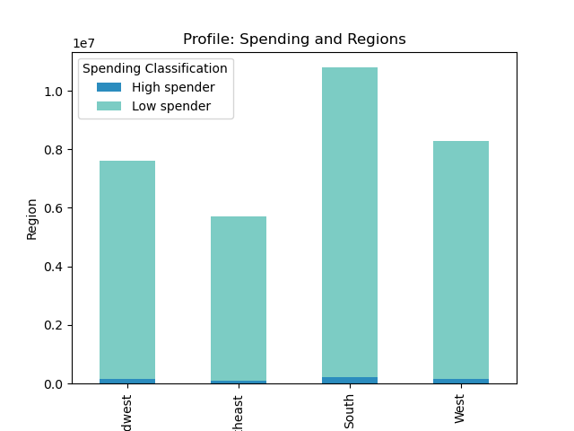

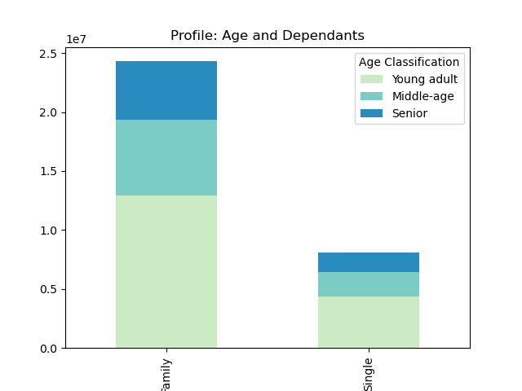

Age compared to Income

Regardless of region, the middle age demographic constitues the majority of customers
Regardless of region, the high income demographic is the highest of any age demographic. Middle income is a close second.
In all regions low-spenders make up over 97% of Instacart users.
Instacart users in the South have the highest incomes and the highest number of dependants.
Most individuals under the age of 40 make $200k or less.
Most individuals over the age of 40 make $300k or less.
Whether they have dependants or not, seniors make up the smallest proportion of Instacart users.

7. Recommendations
 | Title page

Recommendations, accompanying visualizations and answers are in the 'Visualizations' tab

Q: The sales team needs to know what the busiest days of the week and hours of the day are (i.e., the days and times with the most orders) in order to schedule ads at times when there are fewer orders.

Answer: The busiest hours are from 10 am - 3pm. The two busiest days are Saturday and Sunday.

Recommendation: I would recommend scheduling ads for before 10 am and after 3pm, Monday-Thursday as these are low order traffic times. These steps could increase orders during these times.

Q: They also want to know whether there are particular times of the day when people spend the most money, as this might inform the type of products they advertise at these times.

A: People spend the most money around 4-5 am and 10pm.

R: I recommend adversiting higher priced items right before those times or at the end of the night to increase sales. Further investigation into what is being ordered at this time could add to strategical marketing.

Q: Instacart has a lot of products with different price tags. Marketing and sales want to use simpler price range groupings to help direct their efforts.

A: 67% of products will be 'Mid-range products' meaning they fall within a price range greater than $5 and less than or equal to $15. 31% of products will be 'Low-range products' meaning they fall within a price range of less than or equal to $5. 1% of products will be 'High-range products' meaning they fall within a price range greater than $15.

R: I would not recommend focusing marketing efforts towards high-range products as they make up such a small proportion of items. I would focus efforts towards mid-range and low-range products. While, mid-range products make up a higher proportion of products, if a advertisement sich as 10/$10 is offered for low-range products, I tihink that would increase sales.

Q: Are there certain types of products that are more popular than others? The marketing and sales teams want to know which departments have the highest frequency of product orders.

A: Produce, dairy/eggs, and snacks are the three biggest departments.

R: Focus promotions on these three departments, produce and dairy/eggs have a limited shelf life and will always be repurchased. I wouldn't recommend trying to promote the least popular departments such as bulk, alcohol, and pets. These are more niche interests and all these categories also have specific stores that cater to them. This would create a longer order time for the Instacart shopper and possibly prevent orders from having quick turnover times.

Q: What’s the distribution among users in regards to their brand loyalty (i.e., how often do they return to Instacart)?

A: 49% are regular customers, 32% are loyal customers, and 19% are new customers.

R: Create a rewards program for loyal customers with incentives like product coupons, free delivery, half-price delivery, and have the membership requirements be a total of 40 orders, and an order at least every one/two weeks.

Q: Are there differences in ordering habits based on a customer’s loyalty status and region?

A: Loyal customers orders fall withing 7 days of each other. Regionally, the South has the most orders and the Northeast has the fewest.

R: Create a rewards program or offer product coupons for the Northeast to incentivise sales. More exploratory research as to why Instacart is not as popular in this region is recommended. One reason this may be happening is that public transportation is abundant in this region and in the large cities are very dense with relatively smaller footprints. Meaning stores are easy to get to and access, people may not feel the need for Instacart in these places.

Q: Is there a connection between age and family status in terms of ordering habits?

A: There is no direct correlation between age and family status.

R: In terms of age, people above the age of 40 have a higher spending power. High priced items that are advertised should be targeted towards a demographic of 40 year of age and above.

Q: What different classifications does the demographic information suggest? Age? Income? Certain types of goods? Family status?

A: The majority of customers are middle aged, high to middle income, who purchase produce, dairy/eggs, and snacks the most, and are most likely part of a family or have dependants, as opposed to being single.

R: The demographic information suggests to me that most people are using Instacart for convenience. In the app have a section of 'most-ordered' products or 'buy again' products so users can quickly add them to orders. Also consider a scheduled or 'delivery in x amount of time' orders. This could take some of the load off of peak order times.

Q: What differences can you find in ordering habits of different customer profiles? Consider the price of orders, the frequency of orders, the products customers are ordering, and anything else you can think of.

A: All customers, despite loyalty classification, have peak orders at the same time of day. Regular customers have the most variability when it comes to creating a new order.

R: Incentivise purchases of low-range to mid-range products. Users most likely use Instacart for convenience, so I wouldn't recommend pushing hig-range products. Personally, if I'm going to buy something considered high-range I prefer to pick it myself to ensure I'm getting my money's worth.
Offer delivery discounts during low order times. This is for two reasons, to spread traffic of the app throughtout the day and avoid crashing, and if an order is promoted during a low traffic time, and Instacart shopper could theoretically complete the order quicker.

